ISS reports summary
Cumulative cases w/ symptom onset or diagnosis/swab date and cumulative reported cases. Source: ISS.
 | cumulative incidence of cases w/ symptom onset date | cumulative incidence of cases w/ diagnosis/swab date | cumulative reported cases
2020-03-09 | 4555 | 7812 | 8342
2020-03-10
2020-03-11
2020-03-12 | 8331 | 13323 | 13882
2020-03-13
2020-03-14
2020-03-15
2020-03-16 | 13601 | 24346 | 25028
2020-03-17 | 16181 | 27224 | 28293
2020-03-18 | 17389 | 30722 | 31772
2020-03-19 | 18966 | 34927 | 35731
2020-03-20 | 21157 | 39981 | 42220
2020-03-21 | 22993 | 46584 | 48452
2020-03-22 | 28330 | 50246 | 52796
2020-03-23 | 29603 | 55059 | 57989
2020-03-24 | 31959 | 59203 | 62844
2020-03-25 | 34371 | 64130 | 67814
2020-03-26 | 37403 | 70418 | 73780
2020-03-27 | 44204 | 76714 | 79968
2020-03-28 | 46704 | 82510 | 85308
2020-03-29 | 48525 | 87038 | 89967
2020-03-30 | 53084 | 90972 | 94312
2020-03-31 | 55280 | 95077 | 98716
2020-04-01 | 57951 | 98500 | 102669
2020-04-02 | 60313 | 101994 | 106399
2020-04-03 | 63084 | 107342 | 112401
2020-04-04 | 65145 | 111692 | 117050
2020-04-05 | 70012 | 116363 | 120290
2020-04-06 | 71354 | 120570 | 124527
2020-04-07 | 73040 | 123801 | 127790
2020-04-08 | 75897 | 127642 | 131751
2020-04-09 | 77927 | 131995 | 136110
2020-04-10 | 77878 | 133700 | 139377
2020-04-11 | 81792 | 139347 | 143199
2020-04-12 | 82648 | 142425 | 146321
2020-04-13 | 83817 | 146233 | 150189
2020-04-14
2020-04-15 | 86392 | 151212 | 155467
2020-04-16 | 87954 | 155133 | 159107
2020-04-17 | 90191 | 157904 | 162004
2020-04-18
2020-04-19
2020-04-20 | 93188 | 165282 | 169325
2020-04-21
2020-04-22 | 95815 | 169779 | 173730
2020-04-23 | 97568 | 173325 | 177143
2020-04-24 | 109766 | 179451 | 183269
2020-04-25
2020-04-26
2020-04-27 | 118063 | 193301 | 197096
...
day of week | date | time | cumulative incidence of cases w/ symptom onset date | cumulative incidence of cases w/ diagnosis/swab date | cumulative reported cases | cumulative reported deaths
Mon | 2020-03-09 | 16:00:00 | 4555 | 7812 | 8342 | 357
Tue | 2020-03-10 | 16:00:00
Wed | 2020-03-11 | 16:00:00
Thu | 2020-03-12 | 16:00:00 | 8331 | 13323 | 13882 | 803
Fri | 2020-03-13 | 16:00:00
Sat | 2020-03-14 | 16:00:00
Sun | 2020-03-15 | 16:00:00
Mon | 2020-03-16 | 16:00:00 | 13601 | 24346 | 25028 | 1647
Tue | 2020-03-17 | 16:00:00 | 16181 | 27224 | 28293 | 2003
Wed | 2020-03-18 | 16:00:00 | 17389 | 30722 | 31772 | 2390
Thu | 2020-03-19 | 16:00:00 | 18966 | 34927 | 35731 | 3047
Fri | 2020-03-20 | 16:00:00 | 21157 | 39981 | 42220 | 3200
Sat | 2020-03-21 | 16:00:00 | 22993 | 46584 | 48452 | 3770
Sun | 2020-03-22 | 16:00:00 | 28330 | 50246 | 52796 | 4465
Mon | 2020-03-23 | 16:00:00 | 29603 | 55059 | 57989 | 5019
Tue | 2020-03-24 | 16:00:00 | 31959 | 59203 | 62844 | 5542
Wed | 2020-03-25 | 16:00:00 | 34371 | 64130 | 67814 | 6157
Thu | 2020-03-26 | 16:00:00 | 37403 | 70418 | 73780 | 6801
Fri | 2020-03-27 | 16:00:00 | 44204 | 76714 | 79968 | 7590
Sat | 2020-03-28 | 16:00:00 | 46704 | 82510 | 85308 | 8460
Sun | 2020-03-29 | 17:00:00 | 48525 | 87038 | 89967 | 9220
Mon | 2020-03-30 | 18:00:00 | 53084 | 90972 | 94312 | 10026
Tue | 2020-03-31 | 19:00:00 | 55280 | 95077 | 98716 | 10943
Wed | 2020-04-01 | 16:00:00 | 57951 | 98500 | 102669 | 11857
cumulative reported deaths. Source: ISS.
 | cumulative reported deaths
2020-03-09 | 357
2020-03-10
2020-03-11
2020-03-12 | 803
2020-03-13
2020-03-14
2020-03-15
2020-03-16 | 1647
2020-03-17 | 2003
2020-03-18 | 2390
2020-03-19 | 3047
2020-03-20 | 3200
2020-03-21 | 3770
2020-03-22 | 4465
2020-03-23 | 5019
2020-03-24 | 5542
2020-03-25 | 6157
2020-03-26 | 6801
2020-03-27 | 7590
2020-03-28 | 8460
2020-03-29 | 9220
2020-03-30 | 10026
2020-03-31 | 10943
2020-04-01 | 11857
2020-04-02 | 12550
2020-04-03 | 13241
2020-04-04 | 13828
2020-04-05 | 14381
2020-04-06 | 14860
2020-04-07 | 15751
2020-04-08 | 16162
2020-04-09 | 16654
2020-04-10 | 17364
2020-04-11 | 17916
2020-04-12 | 18366
2020-04-13 | 18641
2020-04-14
2020-04-15 | 19508
2020-04-16 | 19996
2020-04-17 | 20531
2020-04-18
2020-04-19
2020-04-20 | 21551
2020-04-21
2020-04-22 | 22586
2020-04-23 | 23188
2020-04-24 | 23576
2020-04-25
2020-04-26
2020-04-27 | 24780
...
Thu | 2020-04-02 | 16:00:00 | 60313 | 101994 | 106399 | 12550
Fri | 2020-04-03 | 16:00:00 | 63084 | 107342 | 112401 | 13241
Sat | 2020-04-04 | 16:00:00 | 65145 | 111692 | 117050 | 13828
Sun | 2020-04-05 | 16:00:00 | 70012 | 116363 | 120290 | 14381
Mon | 2020-04-06 | 16:00:00 | 71354 | 120570 | 124527 | 14860
Tue | 2020-04-07 | 16:00:00 | 73040 | 123801 | 127790 | 15751
Wed | 2020-04-08 | 16:00:00 | 75897 | 127642 | 131751 | 16162
Thu | 2020-04-09 | 16:00:00 | 77927 | 131995 | 136110 | 16654
Fri | 2020-04-10 | 16:00:00 | 77878 | 133700 | 139377 | 17364
Sat | 2020-04-11 | 16:00:00 | 81792 | 139347 | 143199 | 17916
Sun | 2020-04-12 | 16:00:00 | 82648 | 142425 | 146321 | 18366
Mon | 2020-04-13 | 16:00:00 | 83817 | 146233 | 150189 | 18641
Tue | 2020-04-14 | 16:00:00
Wed | 2020-04-15 | 16:00:00 | 86392 | 151212 | 155467 | 19508
Thu | 2020-04-16 | 16:00:00 | 87954 | 155133 | 159107 | 19996
Fri | 2020-04-17 | 16:00:00 | 90191 | 157904 | 162004 | 20531
Sat | 2020-04-18 | 16:00:00
Sun | 2020-04-19 | 16:00:00
Mon | 2020-04-20 | 16:00:00 | 93188 | 165282 | 169325 | 21551
Tue | 2020-04-21 | 16:00:00
Wed | 2020-04-22 | 16:00:00 | 95815 | 169779 | 173730 | 22586
Thu | 2020-04-23 | 16:00:00 | 97568 | 173325 | 177143 | 23188
Fri | 2020-04-24 | 16:00:00 | 109766 | 179451 | 183269 | 23576
Sat | 2020-04-25 | 16:00:00
Sun | 2020-04-26 | 16:00:00
Mon | 2020-04-27 | 16:00:00 | 118063 | 193301 | 197096 | 24780
Tue | 2020-04-28 | 16:00:00 | 125629 | 195715 | 199470 | 25215
Wed | 2020-04-29 | 16:00:00
Thu | 2020-04-30 | 16:00:00 |  |  | 203545 | 25855
Fri | 2020-05-01 | 16:00:00 | 125955 | 201077 | 204576 | 26049
Sat | 2020-05-02 | 16:00:00
Sun | 2020-05-03 | 16:00:00
Mon | 2020-05-04 | 16:00:00 | 123955 | 205891 | 209254 | 26892
Tue | 2020-05-05 | 16:00:00
Wed | 2020-05-06 | 16:00:00 | 126168 | 209216 | 212532 | 27402
Thu | 2020-05-07 | 16:00:00 | 128038 | 210792 | 214103 | 27955
Fri | 2020-05-08 | 16:00:00 | 139566 | 212385 | 215665 | 28274
Sat | 2020-05-09 | 16:00:00
Sun | 2020-05-10 | 16:00:00
Mon | 2020-05-11 | 16:00:00 | 147572 | 215808 | 218997 | 28903
Tue | 2020-05-12 | 16:00:00
Wed | 2020-05-13 | 16:00:00 | 153006 | 218123 | 221133 | 29525
Thu | 2020-05-14 | 16:00:00 | 154883 | 219189 | 222074 | 29692
Fri | 2020-05-15 | 16:00:00 | 156673 | 220513 | 223095 | 29884
Sat | 2020-05-16 | 16:00:00
Sun | 2020-05-17 | 16:00:00
Mon | 2020-05-18 | 16:00:00 | 161522 | 222939 | 225549 | 30332
Tue | 2020-05-19 | 16:00:00
Wed | 2020-05-20 | 16:00:00
Thu | 2020-05-21 | 16:00:00 | 166142 | 225054 | 227615 | 31096
Fri | 2020-05-22 | 16:00:00 | 167490 | 225788 | 228418 | 31248
Sat | 2020-05-23 | 16:00:00
Sun | 2020-05-24 | 16:00:00
Mon | 2020-05-25 | 16:00:00 | 170563 | 227719 | 230414 | 31546
Tue | 2020-05-26 | 16:00:00 | 171053 | 228125 | 230811 | 31676
Wed | 2020-05-27 | 16:00:00 | 172193 | 228388 | 231030 | 31722
Thu | 2020-05-28 | 16:00:00
Fri | 2020-05-29 | 16:00:00 | 173970 | 229701 | 232269 | 31936
Sat | 2020-05-30 | 16:00:00
Sun | 2020-05-31 | 16:00:00
Mon | 2020-06-01 | 16:00:00 | 175920 | 231076 | 233607 | 32235
Tue | 2020-06-02 | 16:00:00
Wed | 2020-06-03 | 16:00:00 | 177108 | 231617 | 234119 | 32354
Thu | 2020-06-04 | 16:00:00
Fri | 2020-06-05 | 16:00:00
Sat | 2020-06-06 | 16:00:00
Sun | 2020-06-07 | 16:00:00
Mon | 2020-06-08 | 16:00:00 | 180178 | 233784 | 235579 | 32722
Tue | 2020-06-09 | 16:00:00 | 180676 | 234061 | 235827 | 32825
Wed | 2020-06-10 | 16:00:00 | 181453 | 234316 | 236076 | 32867
Thu | 2020-06-11 | 16:00:00
Fri | 2020-06-12 | 16:00:00
Sat | 2020-06-13 | 16:00:00
Sun | 2020-06-14 | 16:00:00
Mon | 2020-06-15 | 16:00:00 | 183243 | 235938 | 237695 | 33168

Italy cases by diagnosis 15jun
Date | Day (category mi) | raw # of cases by diagnosis date (frequency fi) | rounded # of cases by diagnosis date (frequency fi) | adj. rounded # of cases by diagnosis date (frequency fi) | Accumulative # of cases (rounded) | raw # of cases by <diagnosis date (frequency fi) - provisional | rounded # of cases by diagnosis date (frequency fi) - provisional | adj. rounded # of cases by diagnosis date (frequency fi) - provisional | Accumulative # of cases (rounded) - provisional | mifi | mifi provisional | (mi-μ)2fi | WebPlotDigitazer digitization software (https://apps.automeris.io/wpd/) has been used to digitize from pdf graph. The points were extracted manually. The fixed value error bar refers to bar extraction algorithm. Actual errors related to the manual process may differ. |  |  | Image size (px) h x v | 2100 | x | 1586 | val. min | -1099.1 | val. max | 6639.3 | ∆x= | 10 | px | ∆val= | 1 | px
2020-01-01 | 1 |  |  | 0 |  |  |  | 0 |  |  |  |  |  |  |  |  |  | val / px | 4.8791929382 |  |  |  | Estimated Manual Extraction Error (EMEE) = |  |  |  | err. bar= | 5 | val x point
2020-01-02 | 2 |  |  | 0 |  |  |  | 0 |  |  |  |  | Sample size of the source | 235938 | Data source: | https://www.epicentro.iss.it/en/coronavirus/bollettino/Infografica_15giugno%20ENG.pdf |  |  |  |  |  |  | Estimated Axis Calibration Error (EACE) = |  |  |  | '' | '' | ''
Incidence of cases by diagnosis/swab date from 24-jan to 15-jun 2020. Source: ISS*. (*manual extraction from source graph)
 | rounded # of cases by diagnosis date (frequency fi) | rounded # of cases by diagnosis date (frequency fi) - provisional
2020-01-25
2020-01-26
2020-01-27
2020-01-28
2020-01-29 | 7
2020-01-30
2020-01-31
2020-02-01
2020-02-02
2020-02-03
2020-02-04
2020-02-05
2020-02-06
2020-02-07
2020-02-08
2020-02-09
2020-02-10
2020-02-11
2020-02-12
2020-02-13
2020-02-14
2020-02-15
2020-02-16
2020-02-17
2020-02-18
2020-02-19
2020-02-20 | 7
2020-02-21 | 37
2020-02-22 | 56
2020-02-23 | 76
2020-02-24 | 90
2020-02-25 | 198
2020-02-26 | 276
2020-02-27 | 291
2020-02-28 | 359
2020-02-29 | 374
2020-03-01 | 408
2020-03-02 | 638
2020-03-03 | 818
2020-03-04 | 1082
2020-03-05 | 1312
2020-03-06 | 1551
2020-03-07 | 1414
2020-03-08 | 1478
2020-03-09 | 2235
2020-03-10 | 2479
2020-03-11 | 2782
2020-03-12 | 3168
2020-03-13 | 4135
2020-03-14 | 3574
...
https://www.epicentro.iss.it/en/coronavirus/bollettino/Infografica_15giugno%20ENG.pdf
2020-01-03 | 3 |  |  | 0 |  |  |  | 0 |  |  |  |  | Sample size of the extracted ds | 236152 | 214
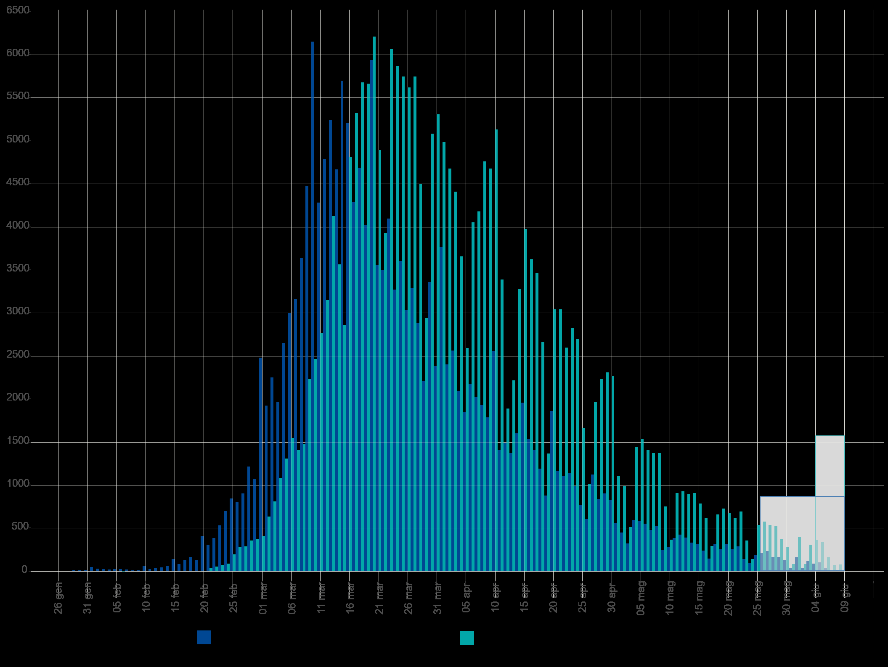
2020-01-04 | 4 |  |  | 0 |  |  |  | 0 |  |  |  |  | Blue area sample size | 232521 | excess-->
2020-01-05 | 5 |  |  | 0 |  |  |  | 0 |  |  |  |  | Grey area sample size | 3631
2020-01-06 | 6 |  |  | 0 |  |  |  | 0 |  |  |  |  |  | Day of the year | DD-Mmm
2020-01-07 | 7 |  |  | 0 |  |  |  | 0 |  |  |  |  | Mean of extracted sample* | 96 | 2020-04-05
2020-01-08 | 8 |  |  | 0 |  |  |  | 0 |  |  |  |  | Mean of blue area sample | 95 | 2020-04-04
2020-01-09 | 9 |  |  | 0 |  |  |  | 0 |  |  |  |  | SD of blue area sample | 19
2020-01-10 | 10 |  |  | 0 |  |  |  | 0 |  |  |  |  | (*the standard error of the sample mean (SEM) is negligible)
2020-01-11 | 11 |  |  | 0 |  |  |  | 0 |  |  |  |  | Mode of blue area sample | 80 | 2020-03-20
2020-01-12 | 12 |  |  | 0 |  |  |  | 0 |  |  |  |  | Median of blue area sample** | 91 | 2020-03-31
2020-01-13 | 13 |  |  | 0 |  |  |  | 0 |  |  |  |  | (**approx. ± 1 day)
2020-01-14 | 14 |  |  | 0 |  |  |  | 0
2020-01-15 | 15 |  |  | 0 |  |  |  | 0
2020-01-16 | 16 |  |  | 0 |  |  |  | 0
2020-01-17 | 17 |  |  | 0 |  |  |  | 0
2020-01-18 | 18 |  |  | 0 |  |  |  | 0
2020-01-19 | 19 |  |  | 0 |  |  |  | 0
2020-01-20 | 20 |  |  | 0 |  |  |  | 0
2020-01-21 | 21 |  |  | 0 |  |  |  | 0
2020-01-22 | 22 |  |  | 0 |  |  |  | 0
2020-01-23 | 23 |  |  | 0 |  |  |  | 0
2020-01-24 | 24 |  |  | 0 |  |  |  | 0
2020-01-25 | 25 |  |  | 0 |  |  |  | 0
2020-01-26 | 26 |  |  | 0 |  |  |  | 0
2020-01-27 | 27 |  |  | 0 |  |  |  | 0
2020-01-28 | 28 |  |  | 0 |  |  |  | 0
2020-01-29 | 29 | 7 | 7 | 5 | 5 |  |  | 0 |  | 150 |  | 30492
2020-01-30 | 30 |  |  | 0 | 5 |  |  | 0
2020-01-31 | 31 |  |  | 0 | 5 |  |  | 0
2020-02-01 | 32 |  |  | 0 | 5 |  |  | 0
2020-02-02 | 33 |  |  | 0 | 5 |  |  | 0
2020-02-03 | 34 |  |  | 0 | 5 |  |  | 0
2020-02-04 | 35 |  |  | 0 | 5 |  |  | 0
2020-02-05 | 36 |  |  | 0 | 5 |  |  | 0
2020-02-06 | 37 |  |  | 0 | 5 |  |  | 0
2020-02-07 | 38 |  |  | 0 | 5 |  |  | 0
2020-02-08 | 39 |  |  | 0 | 5 |  |  | 0
2020-02-09 | 40 |  |  | 0 | 5 |  |  | 0
2020-02-10 | 41 |  |  | 0 | 5 |  |  | 0
Accumulative # of cases by diagnosis/swab date from 24-jan to 15-jun 2020. Source: ISS*. (*manual extraction from source graph)
 | Accumulative # of cases (rounded) | Accumulative # of cases (rounded) - provisional
2020-01-25
2020-01-26
2020-01-27
2020-01-28
2020-01-29 | 5
2020-01-30 | 5
2020-01-31 | 5
2020-02-01 | 5
2020-02-02 | 5
2020-02-03 | 5
2020-02-04 | 5
2020-02-05 | 5
2020-02-06 | 5
2020-02-07 | 5
2020-02-08 | 5
2020-02-09 | 5
2020-02-10 | 5
2020-02-11 | 5
2020-02-12 | 5
2020-02-13 | 5
2020-02-14 | 5
2020-02-15 | 5
2020-02-16 | 5
2020-02-17 | 5
2020-02-18 | 5
2020-02-19 | 5
2020-02-20 | 10
2020-02-21 | 45
2020-02-22 | 100
2020-02-23 | 174
2020-02-24 | 262
2020-02-25 | 458
2020-02-26 | 732
2020-02-27 | 1021
2020-02-28 | 1379
2020-02-29 | 1751
2020-03-01 | 2157
2020-03-02 | 2793
2020-03-03 | 3609
2020-03-04 | 4689
2020-03-05 | 5999
2020-03-06 | 7549
2020-03-07 | 8961
2020-03-08 | 10437
2020-03-09 | 12670
2020-03-10 | 15147
2020-03-11 | 17927
2020-03-12 | 21094
2020-03-13 | 25227
2020-03-14 | 28799
...
https://www.epicentro.iss.it/en/coronavirus/bollettino/Infografica_15giugno%20ENG.pdf
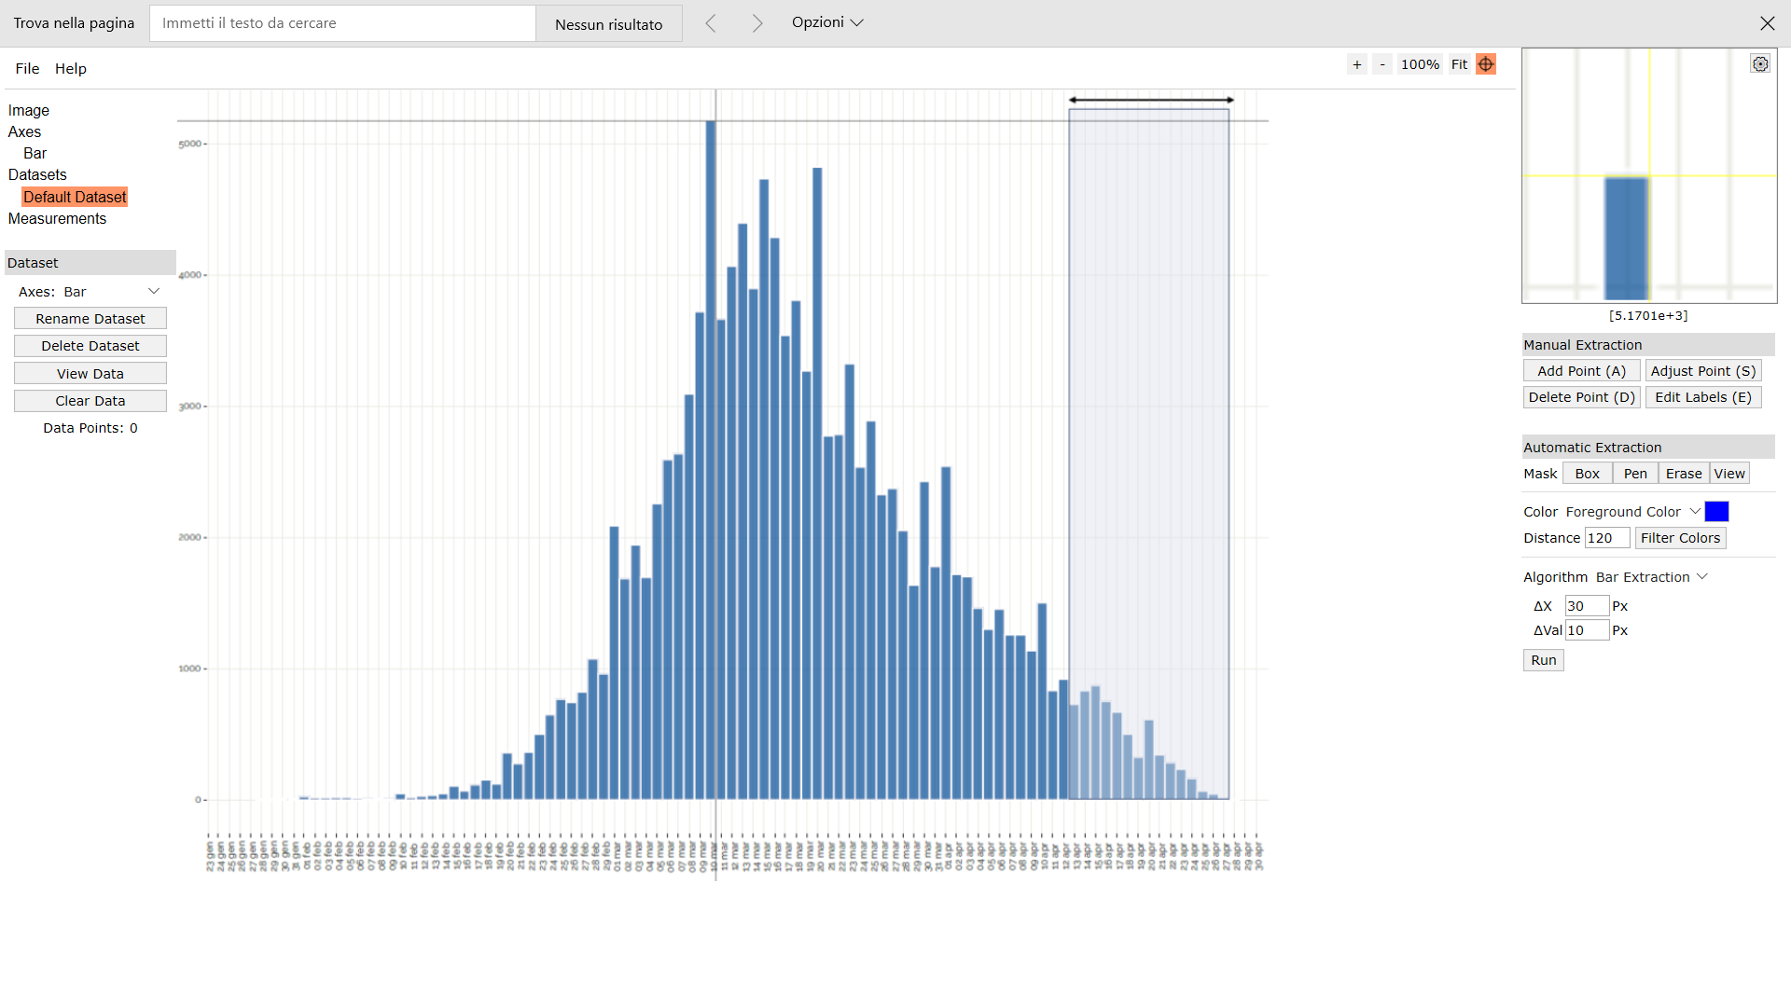
Digitizer example page
2020-02-11 | 42 |  |  | 0 | 5 |  |  | 0
2020-02-12 | 43 |  |  | 0 | 5 |  |  | 0
2020-02-13 | 44 |  |  | 0 | 5 |  |  | 0
2020-02-14 | 45 |  |  | 0 | 5 |  |  | 0
2020-02-15 | 46 |  |  | 0 | 5 |  |  | 0
2020-02-16 | 47 |  |  | 0 | 5 |  |  | 0
2020-02-17 | 48 |  |  | 0 | 5 |  |  | 0
2020-02-18 | 49 |  |  | 0 | 5 |  |  | 0
2020-02-19 | 50 |  |  | 0 | 5 |  |  | 0
2020-02-20 | 51 | 7 | 7 | 5 | 10 |  |  | 0 |  | 263 |  | 9980
2020-02-21 | 52 | 37 | 37 | 35 | 45 |  |  | 0 |  | 1828 |  | 65002
2020-02-22 | 53 | 56 | 56 | 54 | 100 |  |  | 0 |  | 2870 |  | 95530
2020-02-23 | 54 | 76 | 76 | 74 | 174 |  |  | 0 |  | 4004 |  | 124655
2020-02-24 | 55 | 90 | 90 | 88 | 262 |  |  | 0 |  | 4849 |  | 141048
2020-02-25 | 56 | 198 | 198 | 196 | 458 |  |  | 0 |  | 10985 |  | 298352
2020-02-26 | 57 | 276 | 276 | 274 | 732 |  |  | 0 |  | 15627 |  | 395880
2020-02-27 | 58 | 291 | 291 | 289 | 1021 |  |  | 0 |  | 16771 |  | 395853
2020-02-28 | 59 | 359 | 359 | 357 | 1379 |  |  | 0 |  | 21072 |  | 462873
2020-02-29 | 60 | 374 | 374 | 372 | 1751 |  |  | 0 |  | 22329 |  | 455890
2020-03-01 | 61 | 408 | 408 | 406 | 2157 |  |  | 0 |  | 24775 |  | 469515
2020-03-02 | 62 | 638 | 638 | 636 | 2793 |  |  | 0 |  | 39442 |  | 692773
2020-03-03 | 63 | 818 | 818 | 816 | 3609 |  |  | 0 |  | 51418 |  | 835743
2020-03-04 | 64 | 1082 | 1082 | 1080 | 4689 |  |  | 0 |  | 69130 |  | 1038029
2020-03-05 | 65 | 1312 | 1312 | 1310 | 5999 |  |  | 0 |  | 85160 |  | 1179140
2020-03-06 | 66 | 1551 | 1551 | 1549 | 7549 |  |  | 0 |  | 102244 |  | 1302840
2020-03-07 | 67 | 1414 | 1414 | 1412 | 8961 |  |  | 0 |  | 94614 |  | 1107130
2020-03-08 | 68 | 1478 | 1478 | 1476 | 10437 |  |  | 0 |  | 100379 |  | 1076117
2020-03-09 | 69 | 2235 | 2235 | 2233 | 12670 |  |  | 0 |  | 154088 |  | 1509613
2020-03-10 | 70 | 2479 | 2479 | 2477 | 15147 |  |  | 0 |  | 173401 |  | 1548222
2020-03-11 | 71 | 2782 | 2782 | 2780 | 17927 |  |  | 0 |  | 197391 |  | 1601369
2020-03-12 | 72 | 3168 | 3168 | 3166 | 21094 |  |  | 0 |  | 227963 |  | 1674896
2020-03-13 | 73 | 4135 | 4135 | 4133 | 25227 |  |  | 0 |  | 301720 |  | 2000447 |  |  |  |  |  |  |  |  |  |  |  |  |  |  |  | Author: Ankit Rohatgi Title: WebPlotDigitizer Website: https://automeris.io/WebPlotDigitizer Version: 4.2 Date: April, 2019 E-Mail: ankitrohatgi@hotmail.com Location: San Francisco, California, USA
2020-03-14 | 74 | 3574 | 3574 | 3572 | 28799 |  |  | 0 |  | 264339 |  | 1575320
2020-03-15 | 75 | 2870 | 2870 | 2868 | 31667 |  |  | 0 |  | 215112 |  | 1147262
2020-03-16 | 76 | 4824 | 4824 | 4822 | 36489 |  |  | 0 |  | 366484 |  | 1740798
2020-03-17 | 77 | 5318 | 5318 | 5316 | 41805 |  |  | 0 |  | 409344 |  | 1722434
2020-03-18 | 78 | 5684 | 5684 | 5682 | 47488 |  |  | 0 |  | 443208 |  | 1642143
2020-03-19 | 79 | 5665 | 5665 | 5663 | 53151 |  |  | 0 |  | 447389 |  | 1449768
2020-03-20 | 80 | 6217 | 6217 | 6215 | 59366 |  |  | 0 |  | 497212 |  | 1398410
2020-03-21 | 81 | 4893 | 4893 | 4891 | 64257 |  |  | 0 |  | 396184 |  | 958666
2020-03-22 | 82 | 3935 | 3935 | 3933 | 68190 |  |  | 0 |  | 322519 |  | 664703
2020-03-23 | 83 | 6070 | 6070 | 6068 | 74258 |  |  | 0 |  | 503657 |  | 873814
2020-03-24 | 84 | 5870 | 5870 | 5868 | 80126 |  |  | 0 |  | 492925 |  | 710047
2020-03-25 | 85 | 5743 | 5743 | 5741 | 85868 |  |  | 0 |  | 487998 |  | 574116
2020-03-26 | 86 | 5626 | 5626 | 5624 | 91492 |  |  | 0 |  | 483677 |  | 455557
2020-03-27 | 87 | 5753 | 5753 | 5751 | 97243 |  |  | 0 |  | 500351 |  | 368074
2020-03-28 | 88 | 4497 | 4497 | 4495 | 101738 |  |  | 0 |  | 395574 |  | 220263
2020-03-29 | 89 | 2953 | 2953 | 2951 | 104689 |  |  | 0 |  | 262653 |  | 106242
2020-03-30 | 90 | 5083 | 5083 | 5081 | 109770 |  |  | 0 |  | 457304 |  | 127029
2020-03-31 | 91 | 5303 | 5303 | 5301 | 115072 |  |  | 0 |  | 482405 |  | 84818
2020-04-01 | 92 | 4990 | 4990 | 4988 | 120060 |  |  | 0 |  | 458910 |  | 44893
2020-04-02 | 93 | 4683 | 4683 | 4681 | 124741 |  |  | 0 |  | 435347 |  | 18725
2020-04-03 | 94 | 4419 | 4419 | 4417 | 129158 |  |  | 0 |  | 415213 |  | 4417
2020-04-04 | 95 | 3662 | 3662 | 3660 | 132818 |  |  | 0 |  | 347715 |  | 0
2020-04-05 | 96 | 2597 | 2597 | 2595 | 135413 |  |  | 0 |  | 249135 |  | 2595
2020-04-06 | 97 | 4048 | 4048 | 4046 | 139459 |  |  | 0 |  | 392477 |  | 16185
2020-04-07 | 98 | 4184 | 4184 | 4182 | 143642 |  |  | 0 |  | 409851 |  | 37639
2020-04-08 | 99 | 4761 | 4761 | 4759 | 148401 |  |  | 0 |  | 471156 |  | 76146
2020-04-09 | 100 | 4673 | 4673 | 4671 | 153072 |  |  | 0 |  | 467116 |  | 116779
2020-04-10 | 101 | 5132 | 5132 | 5130 | 158202 |  |  | 0 |  | 518146 |  | 184686
2020-04-11 | 102 | 3388 | 3388 | 3386 | 161588 |  |  | 0 |  | 345388 |  | 165922
2020-04-12 | 103 | 1913 | 1913 | 1911 | 163499 |  |  | 0 |  | 196849 |  | 122314
2020-04-13 | 104 | 2216 | 2216 | 2214 | 165714 |  |  | 0 |  | 230272 |  | 179347
2020-04-14 | 105 | 3285 | 3285 | 3283 | 168997 |  |  | 0 |  | 344731 |  | 328316
2020-04-15 | 106 | 3974 | 3974 | 3972 | 172969 |  |  | 0 |  | 421048 |  | 480631
2020-04-16 | 107 | 3637 | 3637 | 3635 | 176604 |  |  | 0 |  | 388962 |  | 523462
2020-04-17 | 108 | 3471 | 3471 | 3469 | 180073 |  |  | 0 |  | 374669 |  | 586287
2020-04-18 | 109 | 2665 | 2665 | 2663 | 182736 |  |  | 0 |  | 290284 |  | 521978
2020-04-19 | 110 | 1365 | 1365 | 1363 | 184099 |  |  | 0 |  | 149947 |  | 306710
2020-04-20 | 111 | 3046 | 3046 | 3044 | 187144 |  |  | 0 |  | 337901 |  | 779304
2020-04-21 | 112 | 3041 | 3041 | 3039 | 190183 |  |  | 0 |  | 340385 |  | 878316
2020-04-22 | 113 | 2597 | 2597 | 2595 | 192778 |  |  | 0 |  | 293253 |  | 840830
2020-04-23 | 114 | 2826 | 2826 | 2824 | 195602 |  |  | 0 |  | 321954 |  | 1019520
2020-04-24 | 115 | 2694 | 2694 | 2692 | 198294 |  |  | 0 |  | 309598 |  | 1076862
2020-04-25 | 116 | 1663 | 1663 | 1661 | 199955 |  |  | 0 |  | 192694 |  | 732569
2020-04-26 | 117 | 1019 | 1019 | 1017 | 200973 |  |  | 0 |  | 119007 |  | 492303
2020-04-27 | 118 | 1961 | 1961 | 1959 | 202932 |  |  | 0 |  | 231180 |  | 1036393
2020-04-28 | 119 | 2235 | 2235 | 2233 | 205165 |  |  | 0 |  | 265745 |  | 1286297
2020-04-29 | 120 | 2308 | 2308 | 2306 | 207471 |  |  | 0 |  | 276739 |  | 1441347
2020-04-30 | 121 | 2269 | 2269 | 2267 | 209738 |  |  | 0 |  | 274326 |  | 1532597
2020-05-01 | 122 | 1107 | 1107 | 1105 | 210843 |  |  | 0 |  | 134829 |  | 805658
2020-05-02 | 123 | 989 | 989 | 987 | 211830 |  |  | 0 |  | 121420 |  | 773930
2020-05-03 | 124 | 515 | 515 | 513 | 212344 |  |  | 0 |  | 63631 |  | 431564
2020-05-04 | 125 | 1439 | 1439 | 1437 | 213781 |  |  | 0 |  | 179644 |  | 1293440
2020-05-05 | 126 | 1541 | 1541 | 1539 | 215320 |  |  | 0 |  | 193934 |  | 1479128
2020-05-06 | 127 | 1419 | 1419 | 1417 | 216737 |  |  | 0 |  | 179979 |  | 1451167
2020-05-07 | 128 | 1390 | 1390 | 1388 | 218125 |  |  | 0 |  | 177684 |  | 1511701
2020-05-08 | 129 | 1370 | 1370 | 1368 | 219493 |  |  | 0 |  | 176492 |  | 1581587
2020-05-09 | 130 | 745 | 745 | 743 | 220237 |  |  | 0 |  | 96610 |  | 910365
2020-05-10 | 131 | 364 | 364 | 362 | 220599 |  |  | 0 |  | 47442 |  | 469353
2020-05-11 | 132 | 906 | 906 | 904 | 221503 |  |  | 0 |  | 119348 |  | 1237788
2020-05-12 | 133 | 926 | 926 | 924 | 222427 |  |  | 0 |  | 122913 |  | 1334480
2020-05-13 | 134 | 892 | 892 | 890 | 223317 |  |  | 0 |  | 119281 |  | 1353926
2020-05-14 | 135 | 911 | 911 | 909 | 224226 |  |  | 0 |  | 122736 |  | 1454648
2020-05-15 | 136 | 784 | 784 | 782 | 225009 |  |  | 0 |  | 106373 |  | 1314803
2020-05-16 | 137 | 623 | 623 | 621 | 225630 |  |  | 0 |  | 85098 |  | 1095718
2020-05-17 | 138 | 300 | 300 | 298 | 225928 |  |  | 0 |  | 41145 |  | 551289
2020-05-18 | 139 | 667 | 667 | 665 | 226593 |  |  | 0 |  | 92457 |  | 1287740
2020-05-19 | 140 | 725 | 725 | 723 | 227316 |  |  | 0 |  | 101242 |  | 1464389
2020-05-20 | 141 | 677 | 677 | 675 | 227991 |  |  | 0 |  | 95197 |  | 1428628
2020-05-21 | 142 | 613 | 613 | 611 | 228602 |  |  | 0 |  | 86784 |  | 1350042
2020-05-22 | 143 | 691 | 691 | 689 | 229292 |  |  | 0 |  | 98549 |  | 1587814
2020-05-23 | 144 | 364 | 364 | 362 | 229654 |  |  | 0 |  | 52150 |  | 869535
2020-05-24 | 145 | 144 | 144 | 142 | 229796 |  |  | 0 |  | 20613 |  | 355388
2020-05-25 | 146 | 530 | 530 | 528 | 230324 |  |  | 0 |  | 77111 |  | 1373732
2020-05-26 | 147 | 574 | 574 | 572 | 230896 |  |  | 0 |  | 84107 |  | 1547108
2020-05-27 | 148 | 540 | 540 | 538 | 231434 |  |  | 0 |  | 79647 |  | 1511678
2020-05-28 | 149 | 525 | 525 | 523 | 231958 |  |  | 0 |  | 77950 |  | 1525520
2020-05-29 | 150 | 379 | 379 | 377 | 232335 |  |  | 0 |  | 56573 |  | 1140894
2020-05-30 | 151 |  |  | 0 |  | 281 | 281 | 279 | 232614 |  | 42152
2020-05-31 | 152 |  |  | 0 |  | 85 | 85 | 83 | 232697 |  | 12640
2020-06-01 | 153 |  |  | 0 |  | 388 | 388 | 386 | 233083 |  | 59082
2020-06-02 | 154 |  |  | 0 |  | 85 | 85 | 83 | 233166 |  | 12806
2020-06-03 | 155 |  |  | 0 |  | 330 | 330 | 328 | 233494 |  | 50864
2020-06-04 | 156 |  |  | 0 |  | 357 | 357 | 355 | 233850 |  | 55404
2020-06-05 | 157 |  |  | 0 |  | 354 | 354 | 352 | 234202 |  | 55288
2020-06-06 | 158 |  |  | 0 |  | 188 | 188 | 186 | 234388 |  | 29413
2020-06-07 | 159 |  |  | 0 |  | 81 | 81 | 79 | 234467 |  | 12586
2020-06-08 | 160 |  |  | 0 |  | 281 | 281 | 279 | 234746 |  | 44665
2020-06-09 | 161 |  |  | 0 |  | 359 | 359 | 357 | 235103 |  | 57502
2020-06-10 | 162 |  |  | 0 |  | 337 | 337 | 335 | 235439 |  | 54295
2020-06-11 | 163 |  |  | 0 |  | 339 | 339 | 337 | 235776 |  | 54956
2020-06-12 | 164 |  |  | 0 |  | 125 | 125 | 123 | 235899 |  | 20197
2020-06-13 | 165 |  |  | 0 |  | 41 | 41 | 39 | 235938 |  | 6461

